CI
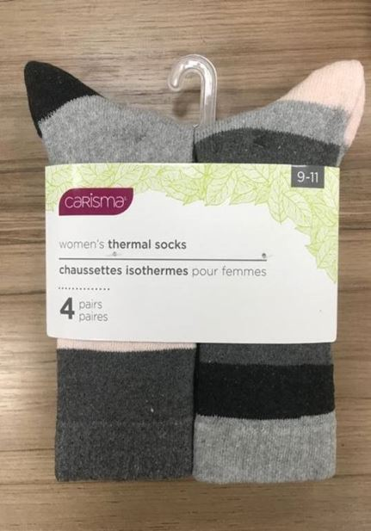
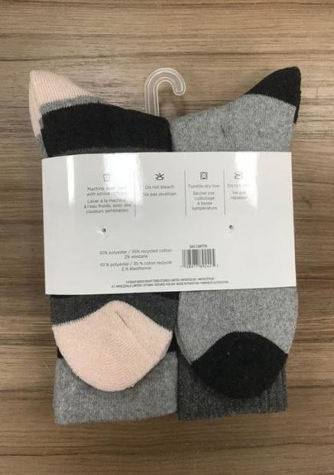
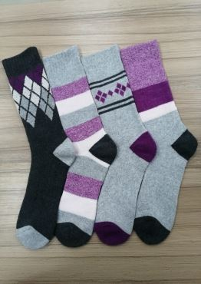
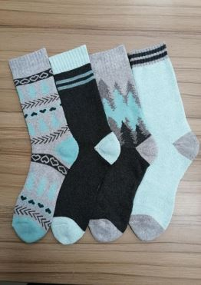
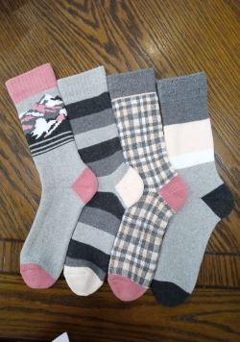
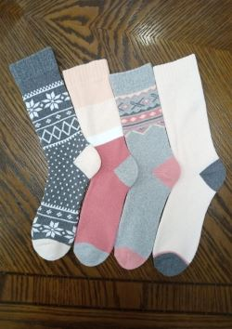
4 PACK THERMAL SOCKS
Branded: CARISMA
must be rebranded in order to sell
Offer price: $2.95/pack
Qty Available: 21,024 packs/7,008 doz.
FOB Montreal
Supplier may be open to reasonable offer…..
(sample can be made available upon request)

 | Style# | Style Description | Description | Color | Size | Qty | Unit
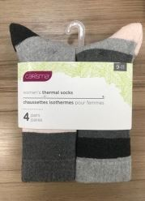 | GTWT1224 | T2 CM 4PK THERMAL SOCKS | KNITTING SOCKS | COMBO 32 | 9-11 | 1752 | PACK
 | GTWT1224 | T2 CM 4PK THERMAL SOCKS | KNITTING SOCKS | COMBO 35 | 9-11 | 1752 | PACK
 | GTWT1224 | T2 CM 4PK THERMAL SOCKS | KNITTING SOCKS | COMBO 42 | 9-11 | 1752 | PACK
 | GTWT1224 | T2 CM 4PK THERMAL SOCKS | KNITTING SOCKS | COMBO 43 | 9-11 | 4380 | PACK
 | GTWT1224 | T2 CM 4PK THERMAL SOCKS | KNITTING SOCKS | COMBO 44 | 9-11 | 1752 | PACK
 | GTWT1224 | T2 CM 4PK THERMAL SOCKS | KNITTING SOCKS | COMBO 46 | 9-11 | 1752 | PACK
 | GTWT1224 | T2 CM 4PK THERMAL SOCKS | KNITTING SOCKS | COMBO 47 | 9-11 | 4380 | PACK
 | GTWT1224 | T2 CM 4PK THERMAL SOCKS | KNITTING SOCKS | COMBO 48 | 9-11 | 3504 | PACK
Total: |  |  |  |  |  | 21024 | PACK

